Domain Generlization 모델(RGB)
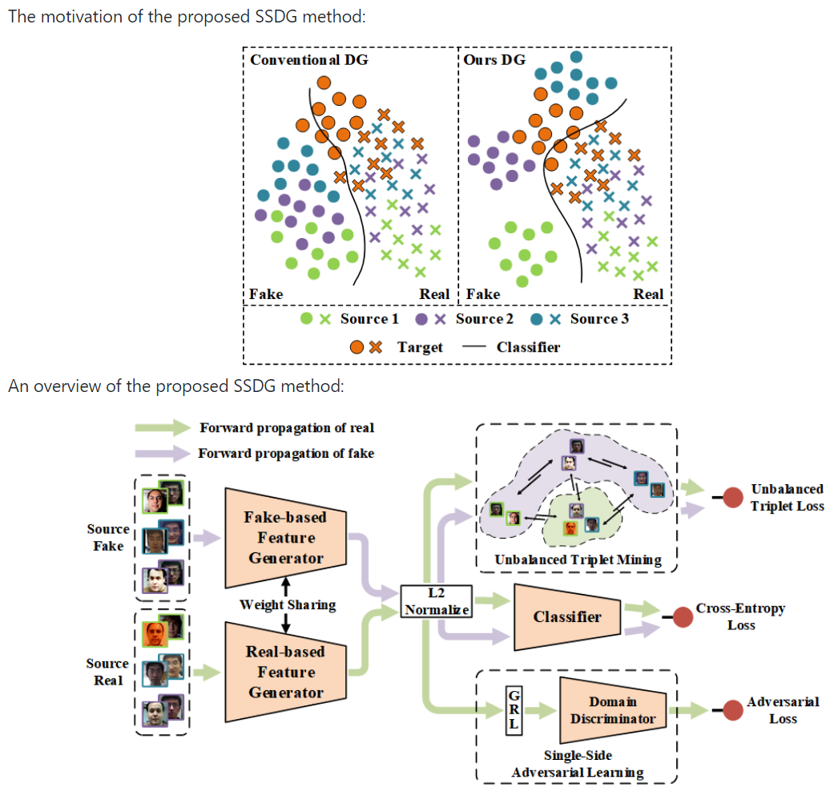
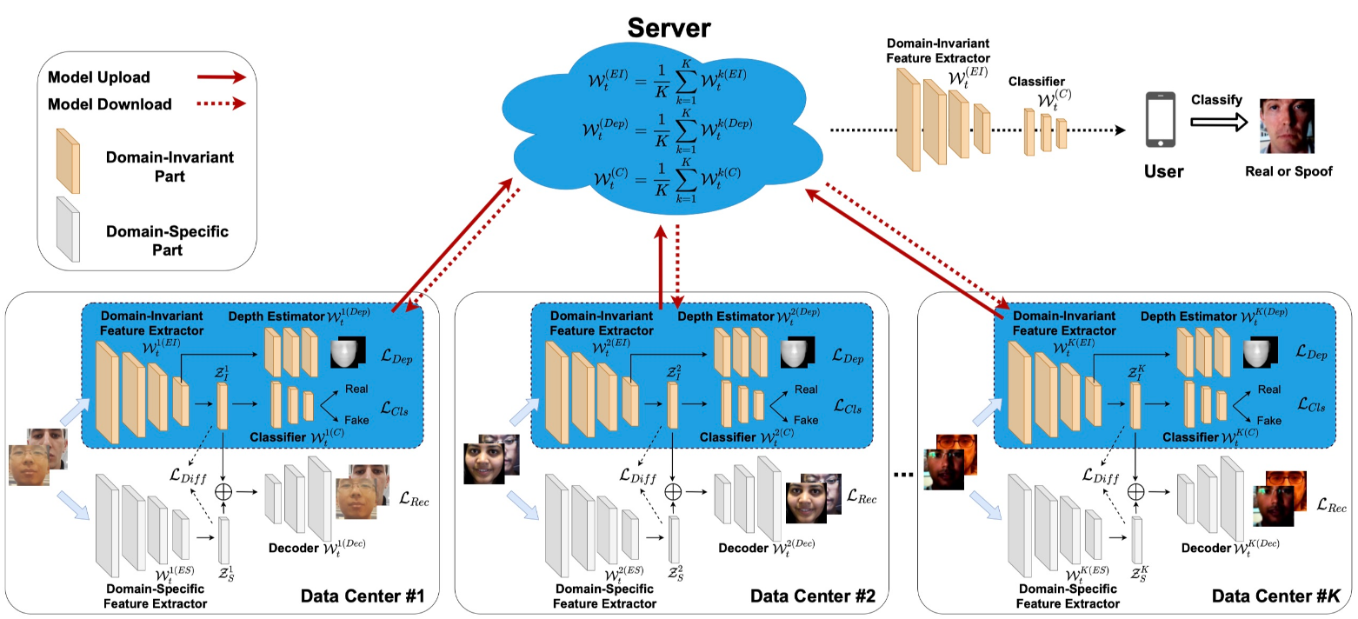
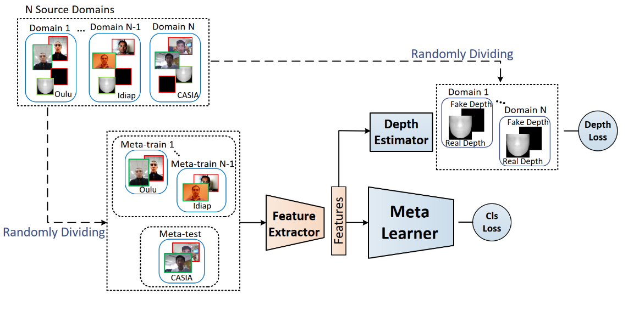
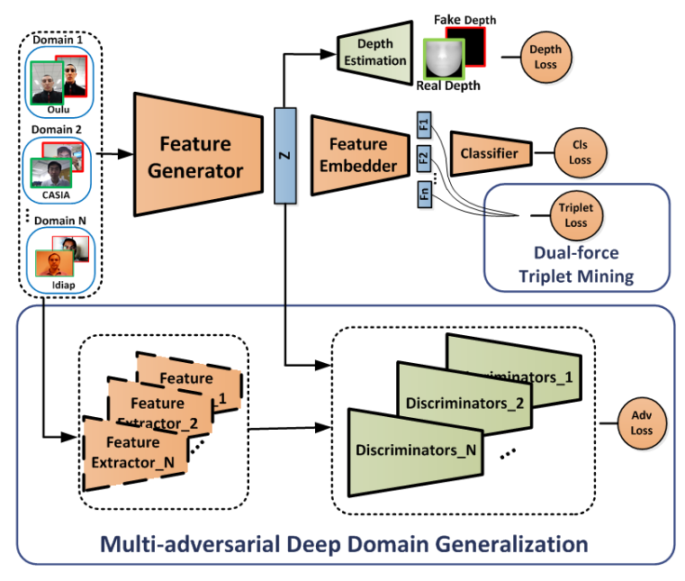
분야 | Method | 논문명 | Loss | 저널 | 연도 | github | 1. MADDG
Domain Adaptation | OR-DA | Unsupervised domain adaptation for face anti-spoofing |  | TIFS | 2018 |  | 2. SSDG
 | DTCNN | “Deep transfer across domains for face antispoofing |  |  | 2019 |  | 3. RFMetaFAS
 | Adversarial | “Improving crossdatabase face presentation attack detection via adversarial domain adaptation |  | IEEE | 2019 |  | 4. FedGFAS
 | ML-MMD | Face anti-spoofing based on multi-layer domain adaptation |  | ICMEW | 2019
 | OCA-FAS | “One-class adaptation face anti-spoofing with loss function search |  |  | 2020
 | DR-UDA | Unsupervised adversarial domain adaptation for crossdomain face presentation attack detection |  | TIFS | 2020
 | DGP | Domain adaptation for generalization of face presentation attack detection in mobile settengs with minimal information |  | ICASSP | 2020
 | Distillation | Face anti-spoofing with deep neural network distillation |  | IEEE | 2020
 | S-CNN +PL+TC | Progressive transfer learning for face anti-spoofing |  | TIP | 2021
 | USDAN | Unified unsupervised and semi-supervised domain adaptation network for cross-scenario face anti-spoofing |  |  | 2021
Domain Generalization | MADDG | “Multi-adversarial discriminative deep domain generalization for face presentation attack detection | Binary CE & Depth loss Multi-adversarial loss Dual-force Triplet loss | CVPR | 2019 | https://github.com/rshaojimmy/MADDoG
 | PAD-GAN | Cross-domain face presentation attack detection via multi-domain disentangled representation learning |  | CVPR | 2020 | -
 | DASN | “Suppressing spoof-irrelevant factors for domain-agnostic face anti-spoofing | Binary CE & Spoofirrelevant factor loss | arXiv | 2020 | 카카오엔터프라이즈
 | SSDG | Single-side domain generalization for face anti-spoofing | Binary CE loss Single-Side adversarial loss Asymmetric Triplet loss | CVPR | 2020 | https://github.com/taylover-pei/SSDG-CVPR2020
 | RFMetaFAS | Regularized fine-grained meta face anti-spoofing | Binary CE loss Depth loss | AAAI | 2020 | https://github.com/rshaojimmy/RFMetaFAS
 | CCDD | Domain agnostic feature learning for image and video based face anti-spoofing |  | CVPRW | 2020 | -
 | SDA | Selfdomain adaptation for face anti-spoofing |  | AAAI | 2021 | -
 | D2AM | Generalizable representation learning for mixture domain face anti-spoofing |  | AAAI | 2021 | -
Federate Learning | FedGFAS | Federated generalized face presentation attack detection | Binary CE & Depth loss Reconstruction loss Orthogonality regularization | TNNLS | 2022 | https://github.com/rshaojimmy/FedGPAD

7월 28일
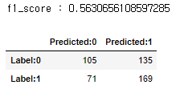
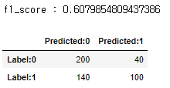
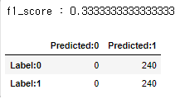
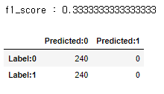
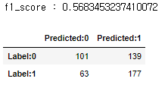
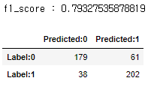
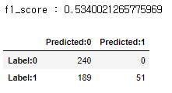
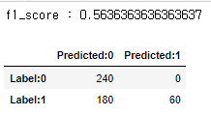
Train 세트 | Test 세트 |  | RGB 모델 | RGB + Point Cloud 모델 | Train 세트 | Test 세트 |  | RGB 모델 | RGB + Point Cloud 모델 | Train 세트 | Test 세트 |  | RGB 모델 | RGB + Point Cloud 모델
Indoor(0.8) | Indoor(0.2) | Paper | > Train Best Accuracy : 1.0000 > Train Best F1-Score : 1.0000 > Test Best Accuracy : 1.0000 > Test Best F1-Score : 1.0000 > Test Epoch (Best F1-Score): 100(13) > Test Best CF > Predicted:0 Predicted:1 Label:0 48 0 Label:1 0 48 | > Train Best Accuracy : 1.0000 > Train Best F1-Score : 1.0000 > Test Best Accuracy : 1.0000 > Test Best F1-Score : 1.0000 > Test Epoch (Best F1-Score): 100(2) > Test Best CF > Predicted:0 Predicted:1 Label:0 48 0 Label:1 0 48 | Indoor(0.8) | outdoor(1) | Paper |  |  | Indoor(0.8) | indoor-dark(1) | Paper
 |  | Replay | > Train Best Accuracy : 1.0000 > Train Best F1-Score : 1.0000 > Test Best Accuracy : 1.0000 > Test Best F1-Score : 1.0000 > Test Epoch (Best F1-Score): 100(0) > Test Best CF > Predicted:0 Predicted:1 Label:0 48 0 Label:1 0 48 | > Train Best Accuracy : 1.0000 > Train Best F1-Score : 1.0000 > Test Best Accuracy : 1.0000 > Test Best F1-Score : 1.0000 > Test Epoch (Best F1-Score): 100(0) > Test Best CF > Predicted:0 Predicted:1 Label:0 48 0 Label:1 0 48 |  |  | Replay |  |  |  |  | Replay
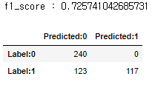
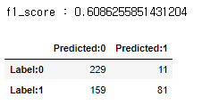
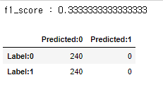
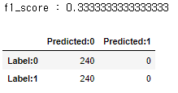
 |  | Mask | > Train Best Accuracy : 1.0000 > Train Best F1-Score : 1.0000 > Test Best Accuracy : 1.0000 > Test Best F1-Score : 1.0000 > Test Epoch (Best F1-Score): 100(4) > Test Best CF > Predicted:0 Predicted:1 Label:0 48 0 Label:1 0 48 | > Train Best Accuracy : 1.0000 > Train Best F1-Score : 1.0000 > Test Best Accuracy : 1.0000 > Test Best F1-Score : 1.0000 > Test Epoch (Best F1-Score): 100(8) > Test Best CF > Predicted:0 Predicted:1 Label:0 48 0 Label:1 0 48 |  |  | Mask |  |  |  |  | Mask
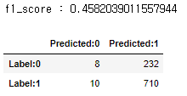
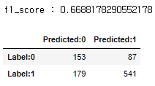
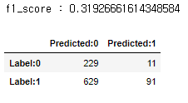
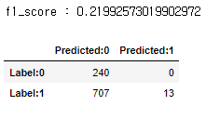
 |  | 전체 | > Train Best Accuracy : 1.0000 > Train Best F1-Score : 1.0000 > Test Best Accuracy : 1.0000 > Test Best F1-Score : 1.0000 > Test Epoch (Best F1-Score): 100(10) > Test Best CF > Predicted:0 Predicted:1 Label:0 48 0 Label:1 0 144 | > Train Best Accuracy : 1.0000 > Train Best F1-Score : 1.0000 > Test Best Accuracy : 1.0000 > Test Best F1-Score : 1.0000 > Test Epoch (Best F1-Score): 100(21) > Test Best CF > Predicted:0 Predicted:1 Label:0 48 0 Label:1 0 144 |  |  | 전체 |  |  |  |  | 전체
 |  |  |  |  | Indoor(0.8) | indoor-dark(1) | Paper
 |  |  |  |  |  |  | Replay
 |  |  |  |  |  |  | Mask
 |  |  |  |  |  |  | 전체

